Mo-W
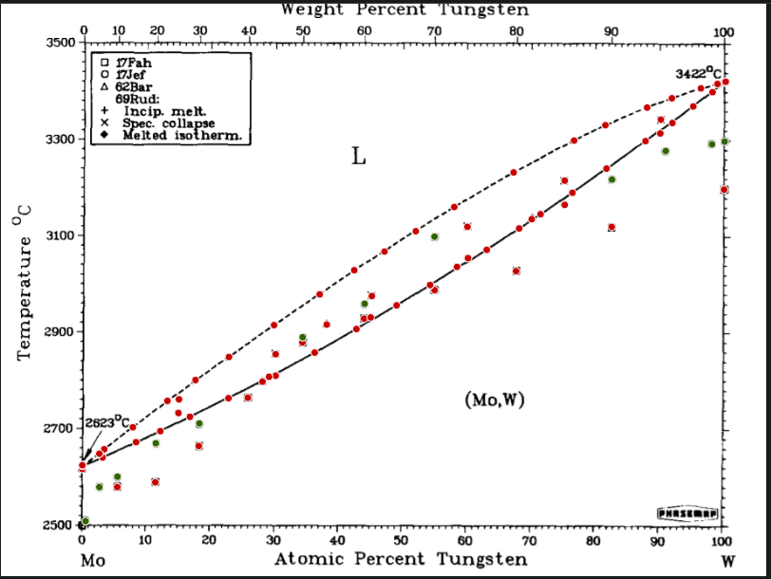
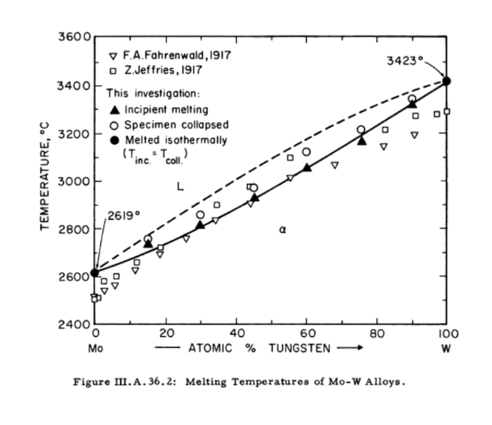

x=atomic percentage | y= Celcius | Mo 1 to W 1 | W increasing
Mo-W
from https://doi.org/10.1007/BF02868956
Mo-W_17Fah |  | Mo-W_17Jef |  | Mo-W_62Bar_69Rud |  | Mo-W_Incip_melt |  | Spec. collapse |  | Melted Isotherm | Tincip=Tcoll | Solidus_https://doi.org/10.1007/BF02868956 |  | liquidus_https://doi.org/10.1007/BF02868956
X | Y | X | Y | X | Y | X | Y | X | Y | X | Y | X | Y | X | Y
0.056790123457 | 2576.7123288 | 0.0073388203018 | 2505.7534247 | 0.28340192044 | 2795.7077626 | 0.15308641975 | 2733.294 | 0.30397805213 | 2852.7853881 | 0 | 2619 | 0.0030521262003 | 2621.0502283 | 0.00219478738 | 2622.1917808
0.11604938272 | 2586.5753425 | 0.028772290809 | 2576.5296804 | 0.38371056241 | 2914.4292237 | 0.30397805213 | 2808.2648402 | 0.45401234568 | 2973.7899543 | 1 | 3423 | 0.033916323731 | 2638.173516 | 0.028772290809 | 2646.1643836
0.18395061728 | 2662.1917808 | 0.057064471879 | 2598.2191781 | 0.70349794239 | 3133.6073059 | 0.45229766804 | 2929.2694064 | 0.60318930041 | 3117.6255708 |  |  | 0.08621399177 | 2670.1369863 | 0.036488340192 | 2655.2968037
0.26049382716 | 2762.4657534 | 0.1170781893 | 2667.8538813 | 0.00219478738 | 2614.2009132 | 0.60404663923 | 3052.5570776 | 0.7549382716 | 3213.5159817 |  |  | 0.12393689986 | 2692.9680365 | 0.081069958848 | 2700.9589041
0.34567901235 | 2877.5342466 | 0.1848079561 | 2708.9497717 |  |  | 0.7549382716 | 3163.2876712 | 0.90497256516 | 3340.2283105 |  |  | 0.17023319616 | 2722.6484018 | 0.13508230453 | 2755.7534247
0.44197530864 | 2926.8493151 | 0.34598765432 | 2888.173516 |  |  | 0.90411522634 | 3311.6894977 | 0.15308641975 | 2757.7464789 |  |  | 0.23024691358 | 2761.4611872 | 0.17880658436 | 2799.1324201
0.55185185185 | 2986.0273973 | 0.44286694102 | 2957.8082192 |  |  |  |  |  |  |  |  | 0.29368998628 | 2805.9817352 | 0.2311042524 | 2847.0776256
0.67901234568 | 3025.4794521 | 0.55174897119 | 3097.0776256 |  |  |  |  |  |  |  |  | 0.36484910837 | 2856.2100457 | 0.30140603567 | 2913.2876712
0.82839506173 | 3117.5342466 | 0.82866941015 | 3215.7990868 |  |  |  |  |  |  |  |  | 0.43000685871 | 2905.2968037 | 0.37256515775 | 2977.2146119
1 | 3194.7945205 | 0.91268861454 | 3275.1598174 |  |  |  |  |  |  |  |  | 0.49259259259 | 2954.3835616 | 0.42657750343 | 3027.4429224
0.027513522764 | 2543.6619718 | 0.98470507545 | 3288.8584475 |  |  |  |  |  |  |  |  | 0.54489026063 | 2996.6210046 | 0.47373113855 | 3066.2557078
 |  | 1 | 3294.56621 |  |  |  |  |  |  |  |  | 0.58689986283 | 3034.2922374 | 0.5225994513 | 3108.4931507
0.90381539103 | 3197.1830986 |  |  |  |  |  |  |  |  |  |  | 0.63319615912 | 3069.6803653 | 0.58261316872 | 3158.7214612
 |  |  |  |  |  |  |  |  |  |  |  | 0.68377914952 | 3114.2009132 | 0.67520576132 | 3230.6392694
 |  |  |  |  |  |  |  |  |  |  |  | 0.71721536351 | 3143.8812785 | 0.76951303155 | 3296.8493151
 |  |  |  |  |  |  |  |  |  |  |  | 0.76694101509 | 3188.4018265 | 0.81838134431 | 3328.8127854
 |  |  |  |  |  |  |  |  |  |  |  | 0.82009602195 | 3238.630137 | 0.88353909465 | 3365.3424658
 |  |  |  |  |  |  |  |  |  |  |  | 0.88096707819 | 3295.7077626 | 0.92211934156 | 3384.7488584
 |  |  |  |  |  |  |  |  |  |  |  | 0.92297668038 | 3333.3789954 | 0.96755829904 | 3405.2968037
 |  |  |  |  |  |  |  |  |  |  |  | 0.95555555556 | 3367.6255708 | 0.99327846365 | 3414.4292237
 |  |  |  |  |  |  |  |  |  |  |  | 0.98556241427 | 3397.3059361 | 1 | 3418.9954338
 |  |  |  |  |  |  |  |  |  |  |  | 1 | 3417.8538813

Mo-Te
Opalovskij et al. extrapolated from reported dissociation pressure |  | Brewer et al. |  | Vellinga et al. |  |  |  | Enthalpy298K | Entropy at 298K |  | Enthalpy298K | Entropy at 298K | delta g of formtion at 298 | Delta G fit | for MoTe2
X | Y | X | Y | X | Y |  | MoTe2 alpha | -90.32 |  | Mo3Te4 | -185 |  | -226 | T | Fact sage at Cp=78.95208 | Mallika 1988 eq#10 for 654-713 | at Cp=79.5208+0.0015T | at Cp= 82.5208-0.0015T | at Cp= 82.5208-0.0015T | eq #13
0.5822624323 | 1180.0371707 | 0.56215739373 | 1300.7847444 | 0.64688577056 | 881.04317867 |  |  | O. Mallika 1988 |  |  | Ohare 1989 |  | eq.13 from C. Mallika 1990 | 350 | -86203.6 | -60379 |  |  |  | -98860.5
0.59805924832 | 1180.0371707 | 0.56287543082 | 1270.597851 | 0.66770884622 | 820.66939181 |  |  | -89.5 +-11 | 115.3 |  | 195.5 | 268 | -275.364 | 400 | -85624.5 | -63086 |  |  |  | -96662
0.61529213852 | 1180.0371707 | 0.56287543082 | 1226.0362464 |  |  |  |  | G.Krabbes 1986 | G.Krabbes 1986 |  | G. Krabbes | G. Krabbes | deduction | 450 | -85056 | -65793 |  |  |  | -94463.5
0.63683325127 | 1181.4746418 | 0.56287543082 | 1184.3495841 |  |  |  |  | -133 | 102 |  | -177 |  |  | 500 | -84492.9 | -68500 |  |  |  | -92265
0.65837436402 | 1180.0371707 | 0.56287543082 | 1132.6006239 |  |  |  |  | factsage | factsage |  | Ohare 1987 |  |  | 550 | -83930.6 | -71207 |  |  |  | -90066.5
0.68278762514 | 1180.0371707 | 0.56431150501 | 1073.6643082 |  |  |  | beta | -90.32+6 |  |  |  |  |  | 600 | -83365.2 | -73914 | -89453.8 | -83674 |  | -87868 | -83674
0.70576481208 | 1180.0371707 | 0.56431150501 | 991.72845457 |  |  |  |  | Ohare 1989 |  |  |  |  |  | 650 | -82792.4 | -76621 | -82918.2 | -83225.3 |  | -85669.5 | -83225.3
0.72802396192 | 1180.0371707 | 0.56431150501 | 950.04179222 |  |  |  |  | -78+-4 |  |  |  |  |  | 700 | -82208 | -79328 | -82376.8 | -82782.4 |  | -83471 | -82782.4
0.7474109634 | 1180.0371707 | 0.56431150501 | 895.41788982 |  |  |  |  | Ohare 1987 |  |  |  |  |  | 750 | -81607.3 | -82035 | -81824.9 | -82339.7 | -81009.5 | -81272.5 | -81009.5
0.76536189069 | 1180.0371707 | 0.56431150501 | 843.66892966 |  |  |  |  | -85+-10 | 119.5 |  |  |  |  | 800 | -80985.6 | -84742 |  |  | -78065.9 | -79074 | -78065.9
0.791211226 | 1180.0371707 | 0.5650295421 | 675.48480913 |  |  |  |  | G.Krabbes 1986 | G.Krabbes 1986, brewer |  |  |  |  | 850 | -80339 | -87449 |  |  | -75058.1 | -76875.5 | -75058.1
0.8170605613 | 1180.0371707 | 0.5650295421 | 731.54618264 |  |  |  |  |  |  |  |  |  |  | 900 | -79664.2 | -90156 |  |  | -72003.8 | -74677 | -72003.8
0.8522443788 | 1180.0371707 | 0.5650295421 | 791.9199695 |  |  |  |  |  |  |  |  |  |  | 950 | -78958.6 | -92863 |  |  | -68913.9 | -72478.5 | -68913.9
0.88168389956 | 1180.0371707 | 0.5650295421 | 594.98642666 |  |  |  |  |  |  |  |  |  |  | 1000 | -78220.6 | -95570 |  |  | -65794.5 | -70280 | -65794.5
0.91973986542 | 1180.0371707 | 0.5650295421 | 524.55034199 |  |  |  |  |  |  | -460090722589 |  |  |  | 1050 |  |  |  |  | -62649.1 | -68081.5 | -62649.1
0.9563597571 | 1181.4746418 | 0.5650295421 | 458.42667067 |  |  |  |  |  |  | -84.32 |  |  |  | 1100 |  |  |  |  | -59479.7 | -65883 | -59479.7
0.97790086985 | 1181.4746418 | 0.5650295421 | 382.24070154
 |  | 0.5650295421 | 311.80461688 |  |  |  |  |  |  |  |  |  |  | Delta G fit | for Mo3Te4
0.5822624323 | 907.0371707 | 0.5650295421 | 185.3071587 |  |  |  | Results of predicted G(MoTe2 alpha)
0.59805924832 | 907.0371707 | 0.5650295421 | 126.37084296 |  |  |  | -106546.967137636+5.17315107765537\cdot298+298\cdot\ln298\cdot0.8873494984984-0.2912439219028\cdot298\cdot298+298^{3}\cdot0.0001773052150748+\frac{45.48845444336}{298} |  |  |  |  |  |  | T | factsage at Cp=289-0.2T | G from mallika 1990(-25.08+0.00420T)*1000 | factsage presets mixture and constant cp=195.58J/K at high temp |  |  | keeping the higher temp constant CP of 195.6302712
0.61529213852 | 907.0371707 | 0.5650295421 | 73.184411683 |  |  |  | = | −124514.5899 | j/mol |  |  |  |  | 600 | -13766 | -22560
0.63683325127 | 907.0371707 | 0.5650295421 | 31.49774933 |  |  |  | used the predicted G from Factsage to get G at298 |  |  |  |  |  |  | 650 | -14986 | -22350
0.65837436402 | 907.0371707 | 0.5650295421 | -8.7514419078 |  |  |  | Comparing with used value |  |  |  |  |  |  | 700 | -16107.6 | -22140
0.68278762514 | 907.0371707 | 0.57292795011 | 8.4982114798 |  |  |  | H=-90.32kj/mol and S=115j/molK |  |  |  |  |  |  | 750 | -17100.3 | -21930
0.70576481208 | 907.0371707 | 0.57292795011 | 81.809238377 |  |  |  | -90320-298\cdot115.2692 |  |  |  |  |  |  | 800 | -17938 | -21720
0.72802396192 | 907.0371707 | 0.57292795011 | 152.24532304 |  |  |  | = | −124670.2216 |  |  |  |  |  | 850 | -18598.8 | -21510
0.7474109634 | 907.0371707 | 0.57436402429 | 226.99382106 |  |  |  |  |  |  |  |  |  |  | 900 | -19061 | -21300
0.76536189069 | 907.0371707 | 0.57436402429 | 271.55542564 |  |  |  | S at 298 |  |  |  |  |  |  | 950 | -19309 | -21090 | -1918.7 |  | -20090.05 | -19920
0.791211226 | 907.0371707 | 0.57436402429 | 331.9292125 |  |  |  | \frac{-124514.5899+90320}{298} |  |  |  |  |  |  | 1000 | -19325 | -20880 | -2074.1 |  | -20372.3 | -20076.6
0.8170605613 | 907.0371707 | 0.57436402429 | 396.6154127 |  |  |  | = | −114.746946 |  |  |  |  |  | 1050 | -19094.9 | -20670 | -2227.55 |  | -20695.7 | -20230.8
0.8522443788 | 907.0371707 | 0.57580009847 | 449.80184398 |  |  |  | and |  |  |  |  |  |  | 1100 | -18605 | -20460 | -2377.9 |  | -21062.7 | -20382.2
0.88168389956 | 907.0371707 | 0.57723617266 | 525.98781311 |  |  |  | in Krabes 1986 |  |  |  |  |  |  | 1150 | -17845 | -20250 | -2524.4 |  | -21473.9 | -20529.9
0.91973986542 | 907.0371707 | 0.57723617266 | 626.6107912 |  |  |  | -115.3
0.9563597571 | 907.0371707 | 0.58010832102 | 822.10686293
0.97790086985 | 907.0371707 | 0.57939028393 | 889.66800536 |  |  |  | Results of predicted G(Mo3Te4 alpha) |  |  |  |  |  |  | Making use of partial pressure equations(activitey equation)
 |  | 0.57939028393 | 945.72937887 |  |  |  |  |  |  |  |  |  |  | DH5 | Equaion I page # 4/7 |  | *using whole number coeficients to get the equation's delta G
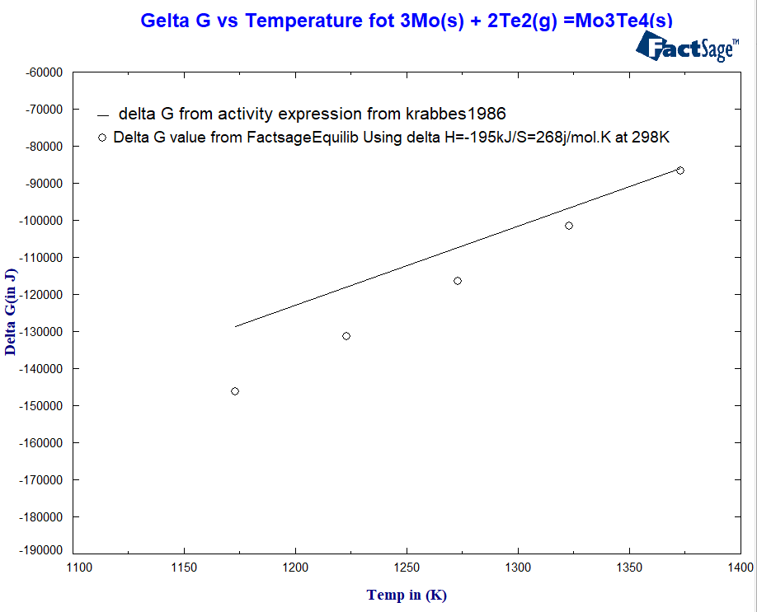
 |  | 0.57939028393 | 1003.2282235 |  |  |  |  |  |  |  |  |  |  | T=1173-1373K
 |  | 0.57939028393 | 1046.352357 |  |  |  |  |  |  |  |  |  |  | log(p(Te2)/1atm=5.56-9879/T
 |  | 0.5822624323 | 1090.9139615 |  |  |  |  |  |  |  |  |  |  | T | delta G(calculated from log P(Te2)) | factsage
 |  | 0.015013129821 | 1303.6596867 |  |  |  |  |  |  |  |  |  |  | 1173 | -128558.5067 | -146172
 |  | 0.037990316757 | 1303.6596867 |  |  |  |  |  |  |  |  |  |  | 1223 | -117912.6958 | -131266
 |  | 0.075328245528 | 1303.6596867 |  |  |  |  |  |  |  |  |  |  | 1273 | -107266.8848 | -116397
 |  | 0.11553832267 | 1303.6596867 |  |  |  |  |  |  |  |  |  |  | 1323 | -96621.07385 | -101561
 |  | 0.15431232562 | 1303.6596867 |  |  |  |  |  |  |  |  |  |  | 1373 | -85975.26289 | -86755.8
delta G and factsage
 |  | 0.19308632857 | 1303.6596867
 |  | 0.22970622025 | 1303.6596867
 |  | 0.26345396356 | 1303.6596867
 |  | 0.29289348433 | 1303.6596867
 |  | 0.32233300509 | 1303.6596867
 |  | 0.36182504513 | 1302.2222155
 |  | 0.40275315936 | 1302.2222155
 |  | 0.43506482849 | 1302.2222155
 |  | 0.47168472017 | 1302.2222155
 |  | 0.50184227802 | 1302.2222155
 |  | 0.52338339078 | 1302.2222155
 |  | 0.54348842935 | 1302.2222155
 |  | 0.65693828984 | 1180.0371707
 |  | 0.65693828984 | 1152.7252195
 |  | 0.65693828984 | 1112.4760283
 |  | 0.65693828984 | 1049.2272992
 |  | 0.65693828984 | 1001.7907524
 |  | 0.65693828984 | 958.66661891
 |  | 0.65693828984 | 912.66754321
 |  | 0.5822624323 | 1181.4746418 |  |  |  |  |  |  |  |  |  |  | krabbes1986 | Equaion II page # 5/7
 |  | 0.57939028393 | 1198.7242952 |  |  |  |  |  |  |  |  |  |  | T=1100-1333K
 |  | 0.57580009847 | 1224.5987753 |  |  |  |  |  |  |  |  |  |  | log(p(Te2)/1atm=8.398-11790/T
 |  | 0.56933776465 | 1256.2231398 |  |  |  |  |  |  |  |  |  |  | T | delta G | factsage(at Cp=84.27 for Beta MoTe2) and H=-89500 S=115.3 | factsage(at Cp=84.27 for Beta MoTe2) and H=-85000 S=119.5
 |  | 0.65550221566 | 881.04317867 |  |  |  |  |  |  |  |  |  |  | 1100 | -97734.67162 | -55578.8 | -55938.8
 |  | 0.64832184474 | 881.04317867 |  |  |  |  |  |  |  |  |  |  | 1150 | -81654.90177 | -48211.5 | -49201.5
 |  | 0.6339611029 | 881.04317867 |  |  |  |  |  |  |  |  |  |  | 1200 | -65575.13192 | -40872.2 | -42492.2
 |  | 0.61170195306 | 881.04317867 |  |  |  |  |  |  |  |  |  |  | 1250 | -49495.36207 | -33559.9 | -35809.9
 |  | 0.59016084031 | 881.04317867 |  |  |  |  |  |  |  |  |  |  | 1300 | -33415.59222 | -26273.2 | -29153.2
 |  | 0.57939028393 | 881.04317867 |  |  |  |  |  |  |  |  |  |  | 1350 | -17335.82237 | -19011.3 | -22521.3
delta G, factsage(at Cp=84.27 for Beta MoTe2) and H=-89500 S=115.3 and factsage(at Cp=84.27 for Beta MoTe2) and H=-85000 S=119.5
 |  | 0.68063351387 | 820.66939181
 |  | 0.67919743968 | 988.85351234
 |  | 0.67991547678 | 937.10455218
 |  | 0.67991547678 | 878.16823644
 |  | 0.66699080913 | 1099.5387882
 |  | 0.67273510586 | 1042.0399436
 |  | 0.66699080913 | 853.73122747
 |  | 0.66555473494 | 823.54433404
 |  | 0.66627277203 | 800.54479619
 |  | 0.66627277203 | 738.73353822
 |  | 0.66699080913 | 669.73492467
 |  | 0.66699080913 | 566.23700434
 |  | 0.66770884622 | 492.92597745
 |  | 0.66770884622 | 454.11425733
 |  | 0.70145658953 | 819.2319207
 |  | 0.74023059248 | 820.66939181
 |  | 0.79480141146 | 820.66939181
 |  | 0.86301493517 | 823.54433404
 |  | 0.91184145741 | 819.2319207
 |  | 0.96354012802 | 823.54433404
 |  | 0.98723535204 | 823.54433404
 |  | 0.70863696045 | 988.85351234
 |  | 0.77541440998 | 988.85351234
 |  | 0.83788363696 | 990.29098346
 |  | 0.9297923847 | 988.85351234
 |  | 0.97646479567 | 987.41604122

calc https://www.desmos.com/calculator/5froozdfga

cons
a | b | c | d
-0.21208162013 | 0.13921793589 | -21.744003084 | -0.00025426178074

Low temp MoTe2 Cp data from kiwai 1975
T(K) | Cp(cal/mol.K) | Cp fit= a+bT+cT-2+dT2 | residual | residual square
5 | 0.0176 | -0.3921086085 | 0.4097086085 | 0.1678611439
10 | 0.244 | 0.9372315299 | -0.6932315299 | 0.480569954
15 | 0.681 | 1.722338504 | -1.041338504 | 1.08438588
20 | 1.281 | 2.416212378 | -1.135212378 | 1.288707143
25 | 2.031 | 3.074662759 | -1.043662759 | 1.089231955
30 | 2.883 | 3.711460851 | -0.8284608506 | 0.6863473809
Cp(cal/mol.K) vs. T(K)
35 | 3.774 | 4.331325248 | -0.5573252481 | 0.3106114322
40 | 4.676 | 4.936226964 | -0.2602269645 | 0.06771807304
45 | 5.562 | 5.52710761 | 0.03489239024 | 0.001217478897
50 | 6.416 | 6.104463121 | 0.3115368786 | 0.0970552267
60 | 7.992 | 7.219612122 | 0.7723878781 | 0.5965830342
70 | 9.37 | 8.282853615 | 1.087146385 | 1.181887262
80 | 10.56 | 9.294680354 | 1.265319646 | 1.601033806
90 | 11.58 | 10.25532774 | 1.324672259 | 1.754756593
100 | 12.45 | 11.16491976 | 1.285080239 | 1.651431219
110 | 13.21 | 12.02352676 | 1.186473244 | 1.407718759
120 | 13.87 | 12.83119104 | 1.038808956 | 1.079124047
130 | 14.44 | 13.58793932 | 0.852060676 | 0.7260073955
140 | 14.94 | 14.29378911 | 0.6462108856 | 0.4175885086
150 | 15.37 | 14.9487523 | 0.421247703 | 0.1774496273
160 | 15.75 | 15.55283716 | 0.1971628394 | 0.03887318522
170 | 16.07 | 16.10604963 | -0.0360496306 | 0.001299575866
180 | 16.36 | 16.60839403 | -0.2483940334 | 0.06169959582
190 | 16.62 | 17.05987359 | -0.4398735878 | 0.1934887733
200 | 16.85 | 17.46049073 | -0.6104907287 | 0.3726989299
210 | 17.07 | 17.81024733 | -0.7402473254 | 0.5479661027
220 | 17.26 | 18.10914483 | -0.8491448322 | 0.721046946
230 | 17.44 | 18.35718439 | -0.9171843943 | 0.8412272131
240 | 17.61 | 18.55436692 | -0.9443669234 | 0.891828886
250 | 17.77 | 18.70069315 | -0.9306931527 | 0.8661897445
260 | 17.92 | 18.79616368 | -0.876163677 | 0.767662789
270 | 18.05 | 18.84077898 | -0.7907789832 | 0.6253314003
280 | 18.17 | 18.83453947 | -0.6645394728 | 0.4416127108
290 | 18.29 | 18.77744548 | -0.487445479 | 0.237603095
300 | 18.4 | 18.66949728 | -0.2694972809 | 0.07262878444
310 | 18.51 | 18.51069511 | -0.0006951130395 | 4.831821377E-07
320 | 18.61 | 18.30103917 | 0.3089608261 | 0.09545679209
330 | 18.7 | 18.04052963 | 0.6594703677 | 0.4349011659
340 | 18.79 | 17.72916663 | 1.060833367 | 1.125367433
350 | 18.87 | 17.3669503 | 1.503049701 | 2.259158402
 |  |  | sum | 26.46332793

Fixing Delat G value |  | MoTe2 alpha
reference | Temp | H val | Hval error | S val | Sval error if any | G from values
 | T0 | T1 | T ln T | T2 | T3 | T-1
G(T)= | 2,645,632,404,164.56 | -59,431,090,761.36 | 8,873,494,984.98 | -0.29 | 0.00 | 45.49

 |  |  | 210,206.72 | -124679.4
T val | G from equation | from paper
700 | -171008.44 | -82358

Fitting G from papers

1st range from C.Mallika 1988 |  | 728K-1065K
2nd range from Krabbes opperman review by Ohare 1987 |  |  | 1100-1330K | (by calculating the gibbs formation of MoTe2)
A | B | C
114.65349997 | -0.44845976775 | 0.0002615679526
Temp(K) | G(MoTe2) | Gfit=A+BT+CT^2 | residual | residual square
725 | -76.031 | -72.99317657 | -3.037823435 | 9.228371219
730 | -76.0088 | -73.33256855 | -2.676231451 | 7.162214779
735 | -75.9866 | -73.65888213 | -2.327717865 | 5.418270459
740 | -75.9644 | -73.97211732 | -1.992282677 | 3.969190264
745 | -75.9422 | -74.27227411 | -1.669925886 | 2.788652465
750 | -75.92 | -74.55935251 | -1.360647493 | 1.8513616
755 | -75.8978 | -74.8333525 | -1.064447498 | 1.133048475
760 | -75.8756 | -75.0942741 | -0.7813258998 | 0.6104701616
765 | -75.8534 | -75.3421173 | -0.5112826996 | 0.2614099989
770 | -75.8312 | -75.5768821 | -0.2543178971 | 0.06467759277
775 | -75.809 | -75.79856851 | -0.01043149217 | 0.000108816029
780 | -75.7868 | -76.00717652 | 0.2203765151 | 0.04856580841
785 | -75.7646 | -76.20270612 | 0.4381061247 | 0.1919369765
790 | -75.7424 | -76.38515734 | 0.6427573367 | 0.4131369939
795 | -75.7202 | -76.55453015 | 0.8343301511 | 0.6961068011
800 | -75.698 | -76.71082457 | 1.012824568 | 1.025813605
805 | -75.6758 | -76.85404059 | 1.178240587 | 1.388250881
810 | -75.6536 | -76.98417821 | 1.330578208 | 1.770438369
815 | -75.6314 | -77.10123743 | 1.469837432 | 2.160422078
820 | -75.6092 | -77.20521826 | 1.596018259 | 2.547274282
825 | -75.587 | -77.29612069 | 1.709120687 | 2.921093523
830 | -75.5648 | -77.37394472 | 1.809144718 | 3.273004611
835 | -75.5426 | -77.43869035 | 1.896090351 | 3.595158621
840 | -75.5204 | -77.49035759 | 1.969957587 | 3.880732895
845 | -75.4982 | -77.52894643 | 2.030746425 | 4.123931044
850 | -75.476 | -77.55445687 | 2.078456866 | 4.319982943
855 | -75.4538 | -77.56688891 | 2.113088909 | 4.465144735
860 | -75.4316 | -77.56624255 | 2.134642554 | 4.556698832
865 | -75.4094 | -77.5525178 | 2.143117801 | 4.59295391
870 | -75.3872 | -77.52571465 | 2.138514651 | 4.573244914
875 | -75.365 | -77.4858331 | 2.120833104 | 4.497933053
880 | -75.3428 | -77.43287316 | 2.090073158 | 4.368405807
885 | -75.3206 | -77.36683482 | 2.046234815 | 4.187076919
890 | -75.2984 | -77.28771807 | 1.989318075 | 3.957386402
895 | -75.2762 | -77.19552294 | 1.919322936 | 3.683800534
900 | -75.254 | -77.0902494 | 1.836249401 | 3.371811861
905 | -75.2318 | -76.97189747 | 1.740097467 | 3.027939195
910 | -75.2096 | -76.84046714 | 1.630867136 | 2.659727615
915 | -75.1874 | -76.69595841 | 1.508558407 | 2.275748468
920 | -75.1652 | -76.53837128 | 1.373171281 | 1.885599367
925 | -75.143 | -76.36770576 | 1.224705757 | 1.499904191
930 | -75.1208 | -76.18396184 | 1.063161835 | 1.130313088
935 | -75.0986 | -75.98713952 | 0.888539516 | 0.7895024714
940 | -75.0764 | -75.7772388 | 0.7008387991 | 0.4911750223
945 | -75.0542 | -75.55425968 | 0.5000596845 | 0.2500596881
950 | -75.032 | -75.31820217 | 0.2862021724 | 0.08191168348
955 | -75.0098 | -75.06906626 | 0.05926626261 | 0.003512489883
960 | -74.9876 | -74.80685196 | -0.1807480448 | 0.0326698557
965 | -74.9654 | -74.53155925 | -0.4338407499 | 0.1882177962
970 | -74.9432 | -74.24318815 | -0.7000118525 | 0.4900165937
975 | -74.921 | -73.94173865 | -0.9792613528 | 0.9589527971
980 | -74.8988 | -73.62721075 | -1.271589251 | 1.616939223
985 | -74.8766 | -73.29960445 | -1.576995546 | 2.486914953
990 | -74.8544 | -72.95891976 | -1.89548024 | 3.592845338
995 | -74.8322 | -72.60515667 | -2.22704333 | 4.959721995
1000 | -74.81 | -72.23831518 | -2.571684819 | 6.613562807
1005 | -74.7878 | -71.8583953 | -2.929404705 | 8.581411925
1010 | -74.7656 | -71.46539701 | -3.300202989 | 10.89133977
1015 | -74.7434 | -71.05932033 | -3.68407967 | 13.57244301
1020 | -74.7212 | -70.64016525 | -4.081034749 | 16.65484462
1025 | -74.699 | -70.20793177 | -4.491068226 | 20.16969381
1030 | -74.6768 | -69.7626199 | -4.9141801 | 24.14916605
1035 | -74.6546 | -69.30422963 | -5.350370372 | 28.62646311
1040 | -74.6324 | -68.83276096 | -5.799639041 | 33.63581301
1045 | -74.6102 | -68.34821389 | -6.261986108 | 39.21247002
1050 | -74.588 | -67.85058843 | -6.737411573 | 45.3927147
1055 | -74.5658 | -67.33988456 | -7.225915435 | 52.21385388
1060 | -74.5436 | -66.8161023 | -7.727497695 | 59.71422063
1065 | -74.5214 | -66.27924165 | -8.242158353 | 67.93317432
1100 | -74.366 | -62.15502191 | -12.21097809 | 149.1079859
1100 | -56.5633 | -62.15502191 | 5.59172191 | 31.26735392
1110 | -55.1363 | -60.85896783 | 5.722667835 | 32.74892715
1120 | -53.7093 | -59.51060017 | 5.801300169 | 33.65508365
1130 | -52.2823 | -58.10991891 | 5.827618913 | 33.9611422
1140 | -50.8553 | -56.65692407 | 5.801624067 | 33.65884181
1150 | -49.4283 | -55.15161563 | 5.72331563 | 32.7563418
1160 | -48.0013 | -53.5939936 | 5.592693602 | 31.27822173
1170 | -46.5743 | -51.98405798 | 5.409757984 | 29.26548144
1180 | -45.1473 | -50.32180878 | 5.174508775 | 26.77554106
1190 | -43.7203 | -48.60724598 | 4.886945976 | 23.88224097
1200 | -42.2933 | -46.84036959 | 4.547069586 | 20.67584182
1210 | -40.8663 | -45.02117961 | 4.154879606 | 17.26302454
1220 | -39.4393 | -43.14967604 | 3.710376035 | 13.76689032
1230 | -38.0123 | -41.22585887 | 3.213558874 | 10.32696064
1240 | -36.5853 | -39.24972812 | 2.664428122 | 7.099177219
1250 | -35.1583 | -37.22128378 | 2.06298378 | 4.255902077
1260 | -33.7313 | -35.14052585 | 1.409225847 | 1.985917489
1270 | -32.3043 | -33.00745432 | 0.7031543239 | 0.4944260032
1280 | -30.8773 | -30.82206921 | -0.05523078995 | 0.003050440158
1290 | -29.4503 | -28.58437051 | -0.8659294943 | 0.7498338891
1300 | -28.0233 | -26.29435821 | -1.728941789 | 2.989239711
1310 | -26.5963 | -23.95203233 | -2.644267675 | 6.992151535
1320 | -25.1693 | -21.55739285 | -3.611907151 | 13.04587326
1330 | -23.7423 | -19.11043978 | -4.631860217 | 21.45412907
1340 | -22.3153 | -16.61117313 | -5.704126874 | 32.53706339
 |  |  | SUM | 1174.877569

deletable
 | time -> | 1 | 2 | 3 | 4 | 5 | 6 | 7 | alpha
Temp | S1-826 | 0.025 | 0.066 | 0.096 | 0.03 | 0.138 | 0.15 | 0.168 | 0.0228
 | S2-900 | 0.05 | 0.14 | 0.12 | 0.15 | 0.182 | 0.2 | 0.21 | 0.0236
 | S3-1020 | 0.1 | 0.16 | 0.2 | 0.22 | 0.252 | 0.262 | 0.276 | 0.028
a.) α vs t plots
b.) g(α) vs t plot

 | time -> | 1 | 2 | 3 | 4 | 5 | 6 | 7 | k
 | S1-826 | 7.02E-05 | 0.00049876918818 | 0.0010703056476 | 0.00010135714368 | 0.0022572969994 | 0.0026828868187 | 0.0033960298114 | 0.0006
g(alpha) | S2-900 | 0.00028413688512 | 0.0023255001134 | 0.0016918301338 | 0.0026828868187 | 0.0040141788148 | 0.0048927906539 | 0.0054226180358 | 0.0008
 | S3-1020 | 0.0011635815472 | 0.0030678736567 | 0.0048927906539 | 0.0059828754729 | 0.0079863640048 | 0.0086803093584 | 0.0097079504334 | 0.0014

W-Te
from JANE E. CALLANAN, 1991 part 1
T(K) | Cp(R) | predicted | resid | resid squared | a T0 | b T1 | c T-2 | d T2
5 | -0.016 | 0.1201699867 | 0.1361699867 | 0.01854226529 | -2.3173638832 | 0.15431917899 | 41.978279967 | -0.00052772894728 | 5 | 8.002604
Cp(R) and predicted
10 | 0.105 | -0.4071621884 | -0.5121621884 | 0.2623101072 |  |  |  |  | 10 | 0.414511
15 | 0.348 | 0.06525492167 | -0.2827450783 | 0.07994477932 |  |  |  |  | 15 | 0.2400026667
20 | 0.692 | 0.6628738176 | -0.02912618243 | 0.0008483345029 |  |  |  |  | 20 | 1.10997275
25 | 1.14 | 1.277950247 | 0.1379502474 | 0.01903027076 |  |  |  |  | 25 | 2.23974736
30 | 1.653 | 1.883897967 | 0.2308979672 | 0.05331387125 |  |  |  |  | 30 | 3.435705667
35 | 2.135 | 2.471607405 | 0.3366074046 | 0.1133045448 |  |  |  |  | 35 | 4.63150498
40 | 2.76 | 3.037273386 | 0.2772733857 | 0.07688053039 |  |  |  |  | 40 | 5.799433188
45 | 3.36 | 3.579078068 | 0.2190780678 | 0.0479951998 |  |  |  |  | 45 | 6.926251407
50 | 3.95 | 4.09606401 | 0.14606401 | 0.02133469501 |  |  |  |  | 50 | 8.00498684
55 | 4.555 | 4.587688013 | 0.03268801297 | 0.001068506192 |  |  |  |  | 55 | 9.031683504
60 | 5.146 | 5.053623279 | -0.0923767208 | 0.008533458546 |  |  |  |  | 60 | 10.00396142
65 | 5.608 | 5.493663636 | -0.1143363637 | 0.01307280406 |  |  |  |  | 65 | 10.92031908
70 | 6.023 | 5.9076738 | -0.1153261998 | 0.01330013236 |  |  |  |  | 70 | 11.77977124
75 | 6.421 | 6.295562018 | -0.1254379822 | 0.01573468738 |  |  |  |  | 75 | 12.58164971
80 | 6.778 | 6.657264279 | -0.1207357205 | 0.0145771142 |  |  |  |  | 80 | 13.3254883
85 | 7.08 | 6.992734829 | -0.08726517075 | 0.007615210027 |  |  |  |  | 85 | 14.01095379
90 | 7.352 | 7.301940256 | -0.05005974354 | 0.002505977923 |  |  |  |  | 90 | 14.63780285
92 | 7.46 | 7.418262401 | -0.04173759942 | 0.001742027206 |  |  |  |  | 95 | 15.20585447
95 | 7.638 | 7.584855704 | -0.05314429557 | 0.002824316152 |  |  |  |  | 100 | 15.71497171
100 | 7.88 | 7.841462371 | -0.03853762919 | 0.001485148864 |  |  |  |  | 105 | 16.16504944
105 | 8.116 | 8.071745821 | -0.04425417947 | 0.0019584324 |  |  |  |  | 110 | 16.55600588
110 | 8.31 | 8.275694823 | -0.03430517725 | 0.001176845186 |  |  |  |  | 115 | 16.8877766
115 | 8.461 | 8.453300534 | -0.007699466282 | 5.928178103E-05 |  |  |  |  | 120 | 17.16031035
120 | 8.587 | 8.604555913 | 0.01755591288 | 0.0003082100771 |  |  |  |  | 125 | 17.37356589
125 | 8.693 | 8.729455299 | 0.03645529899 | 0.001328988825 |  |  |  |  | 130 | 17.52750977
130 | 8.782 | 8.827994098 | 0.04599409813 | 0.002115457063 |  |  |  |  | 135 | 17.6221146
135 | 8.852 | 8.900168551 | 0.04816855101 | 0.002320209307 |  |  |  |  | 140 | 17.65735781
140 | 8.898 | 8.945975557 | 0.04797555745 | 0.002301654112
145 | 8.929 | 8.965412542 | 0.03641254236 | 0.001325873241
 |  |  | total | 0.7888589333

T(K), Cp(R) and predicted
T(K) | Cp(R) | predicted | resid | resid squared | a T0 | b T1 | c T-2 | d T2
150 | 8.945 | 8.959776165 | 0.01477616535 | 0.0002183350624 | 9.1581252388 | -0.0031222866059 | -81.68688397 | 1.2161086474E-05
155 | 8.952 | 8.962940839 | 0.01094083895 | 0.0001197019569
165 | 8.959 | 8.971033092 | 0.01203309152 | 0.0001447952914
170 | 8.972 | 8.975965379 | 0.003965379061 | 1.57242311E-05
175 | 8.989 | 8.981491029 | -0.007508970847 | 5.638464318E-05
180 | 9.006 | 8.987611651 | -0.01838834868 | 0.0003381313674
190 | 9.034 | 9.001643211 | -0.03235678924 | 0.00104696181
200 | 9.054 | 9.018069204 | -0.03593079558 | 0.001291022071
210 | 9.057 | 9.036896655 | -0.02010334529 | 0.0004041444919
220 | 9.064 | 9.058131025 | -0.005868974755 | 3.444486467E-05
230 | 9.07 | 9.081776618 | 0.01177661835 | 0.0001386887399
240 | 9.082 | 9.107836859 | 0.02583685915 | 0.0006675432909
250 | 9.098 | 9.136314502 | 0.03831450174 | 0.001468001044
260 | 9.132 | 9.167211781 | 0.03521178098 | 0.00123986952
270 | 9.178 | 9.200530526 | 0.02253052571 | 0.0005076245886
280 | 9.228 | 9.236272244 | 0.008272244101 | 6.843002247E-05
290 | 9.282 | 9.274438189 | -0.007561811104 | 5.718098717E-05
300 | 9.339 | 9.315029408 | -0.02397059242 | 0.0005745893012
310 | 9.378 | 9.358046781 | -0.01995321855 | 0.0003981309307
320 | 9.415 | 9.403491056 | -0.0115089437 | 0.0001324557851
330 | 9.446 | 9.451362867 | 0.00536286667 | 2.876033892E-05
335 | 9.461 | 9.47620927 | 0.01520927038 | 0.0002313219056
298.15 | 9.33 | 9.307337155 | -0.0226628454 | 0.0005136045618
 |  |  | total | 1.587413713

Mo-V
Barron V.V [1960] |  | Kocherzhinskii Yu.A 1985 |  | Rudy E 1969 |  | F. Zheng 1998 liquidus |  | F. Zheng 1998 solidus |  | 58Bar solidus |  | 58Bar liquidus |  | 69Rud incipient melting |  | 69Rud Specimen collapsed |  | 69Rudd Melted isothermally
X | Y | X | Y | X | Y | X | Y | X | Y | X | Y | X | Y | X | Y | X | Y | X | Y
0.00073079734253 | 2623.366248 | 0.18116662388 | 2583.4224178 | 0.1006449294 | 2535.5609059 | 0.00043645699615 | 2619.1523658 | 0.00089858793325 | 2618.3214368 | 0.24376127098 | 2615.6254271 | 5.2185598337 | 2600.8191472 | 10.137408794 | 2491.89749 | 10.113399769 | 2537.3345695 | 0.45512643592 | 2615.6168524
0.24931883578 | 2460.8829883 | 0.18449396662 | 2554.7055107 | 0.099979460847 | 2489.4942008 | 0.042952503209 | 2593.3935661 | 0.044801026958 | 2578.0213791 | 1.0032610472 | 2578.2721005 | 13.187626778 | 2519.3599558 | 20.007904757 | 2411.9838797 | 20.06556929 | 2502.8537513 | 99.630191349 | 1926.8065049
0.38575320107 | 2420.0023388 | 0.33355892169 | 2503.8526544 | 0.20113068036 | 2497.8699654 | 0.087317073171 | 2565.1419792 | 0.081771501926 | 2545.1996826 | 2.1854911534 | 2540.9016246 | 19.983038267 | 2459.043712 | 29.751281508 | 2372.6433776 | 30.01602388 | 2471.6184387
0.55610345377 | 2199.6625665 | 0.33355892169 | 2541.5435949 | 0.20113068036 | 2408.1296307 | 0.14 | 2531.4893537 | 0.11781771502 | 2514.0398442 | 5.0920837208 | 2440.1751909 | 28.943549316 | 2301.2765513 | 39.830570241 | 2297.589451 | 40.194135474 | 2409.5422476
0.69639189717 | 2139.3809307 | 0.45600513479 | 2482.314974 | 0.30161643132 | 2466.1617138 | 0.18205391528 | 2506.1460185 | 0.15432605905 | 2484.5418638 | 9.2505754395 | 2370.2296131 | 43.958836313 | 2084.8459108 | 49.906429113 | 2229.0265359 | 49.952089134 | 2342.6149472
0.81586831874 | 2059.6983087 | 0.45667060334 | 2411.7192441 | 0.30095096277 | 2360.8663878 | 0.2296534018 | 2475.4016445 | 0.19314505777 | 2456.290277 | 13.016348109 | 2243.5048353 | 47.269294976 | 2019.8028902 | 60.071678729 | 2191.2916373 | 60.030520401 | 2269.1837735
0.89757477479 | 1978.9763481 | 0.56580744544 | 2405.7365551 | 0.40017971759 | 2399.7871033 | 0.28788189987 | 2437.5943739 | 0.22826700899 | 2430.5314772 | 17.600142554 | 2168.6738497 | 57.731013175 | 2021.0011978 | 69.617409758 | 2125.9956644 | 69.886439456 | 2216.8569614
0.91645975755 | 1958.8824695 | 0.56447650834 | 2343.5165897 | 0.40064184852 | 2280.9642527 | 0.35535301669 | 2397.2943162 | 0.27586649551 | 2397.7097807 | 20.046276324 | 2139.3656901 | 69.802836602 | 1975.0753631 | 79.908063656 | 2050.9331633 | 80.079127958 | 2127.193972
0.99932243703 | 1888.2074482 | 0.65631116816 | 2330.9529429 | 0.5 | 2332.8973168 | 0.37568677792 | 2384.4149163 | 0.33409499358 | 2359.0715811 | 29.477750119 | 2090.301533 | 82.736412526 | 1898.282926 | 89.45465215 | 1984.0144376 | 89.966773225 | 2014.8253049
 |  | 0.65697663671 | 2232.2385747 | 0.50046213094 | 2211.9971437 | 0.40849807445 | 2364.4726197 | 0.38400513479 | 2326.6653491 | 47.426425469 | 1922.4334326 | 99.804471145 | 1796.9819906
 |  | 0.75080770218 | 2227.4524235 | 0.59982028241 | 2255.6209175 | 0.44362002567 | 2343.2839296 | 0.43437740693 | 2295.0900462 | 58.120945463 | 1883.0543445 | 0.55823662287 | 2620.4808236
 |  | 0.74614942234 | 2126.3449798 | 0.59982028241 | 2176.6826601 | 0.49029525032 | 2314.2014137 | 0.47874197689 | 2266.4229948 | 70.181621842 | 1858.2242968
 |  | 0.82400924262 | 2156.2584247 | 0.69964056483 | 2204.1033179 | 0.52079589217 | 2295.5055107 | 0.52403080873 | 2237.7559435 | 83.196871324 | 1826.8646518
 |  | 0.82134736842 | 2080.2782747 | 0.70010269576 | 2107.7155511 | 0.5697817715 | 2263.9302077 | 0.57070603338 | 2208.2579631 | 99.911011193 | 1795.3549504
 |  | 0.88855969191 | 2040.1942585 | 0.80038510911 | 2113.5320542 | 0.61322207959 | 2236.9250144 | 0.62246469833 | 2175.0208021
 |  | 0.88789422336 | 2002.5033179 | 0.80038510911 | 2033.7628679 | 0.64464698331 | 2215.3208598 | 0.67653401797 | 2139.7063185
 |  | 0.94312811297 | 1939.0868148 | 0.90205391528 | 1994.2937392 | 0.68346598203 | 2189.1465955 | 0.72598202824 | 2106.884622
 |  | 0.94312811297 | 1910.3699077 | 0.90205391528 | 1971.443191 | 0.71720154044 | 2166.7115118 | 0.76849807445 | 2078.6330352
 |  |  |  | 1.0000256739 | 1904.5534045 | 0.75232349166 | 2140.9527121 | 0.8188703466 | 2042.9030871 |  | vwith wt.percentage
 |  |  |  |  |  | 0.80315789474 | 2103.5609059 | 0.86138639281 | 2013.4051068
 |  |  |  |  |  | 0.84105263158 | 2073.6474611 | 0.89050064185 | 1992.2164166
 |  |  |  |  |  | 0.87293966624 | 2045.3958742 | 0.9210012837 | 1970.1967975
 |  |  |  |  |  | 0.90575096277 | 2015.8978938 | 0.94872913992 | 1949.4235718
 |  |  |  |  |  | 0.92839537869 | 1993.4628102 | 0.96860077022 | 1934.8823139
 |  |  |  |  |  | 0.94872913992 | 1972.27412 | 1.0000256739 | 1910.3699077
 |  |  |  |  |  | 0.97414634146 | 1943.6070687
 |  |  |  |  |  | 1.0000256739 | 1912.4472302

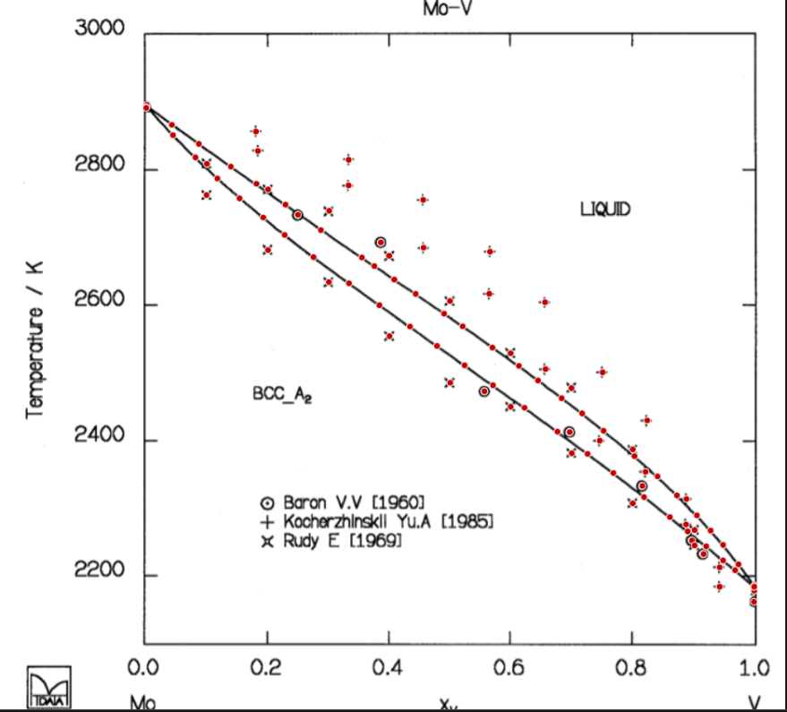
From Thermodynamic Computation of the Mo-V Binary Phase Diagram F. Zheng, B.B. Argent, and J.F. Smith (Submitted 16 November 1998; in revised form 1 May 1999) |  |  |  |  |  |  |  |  |  |  |  | from Smith, J.F. The mo-v system (molybdenum-vanadium). JPE 13, 50–53 (1992). https://doi.org/10.1007/BF02645376

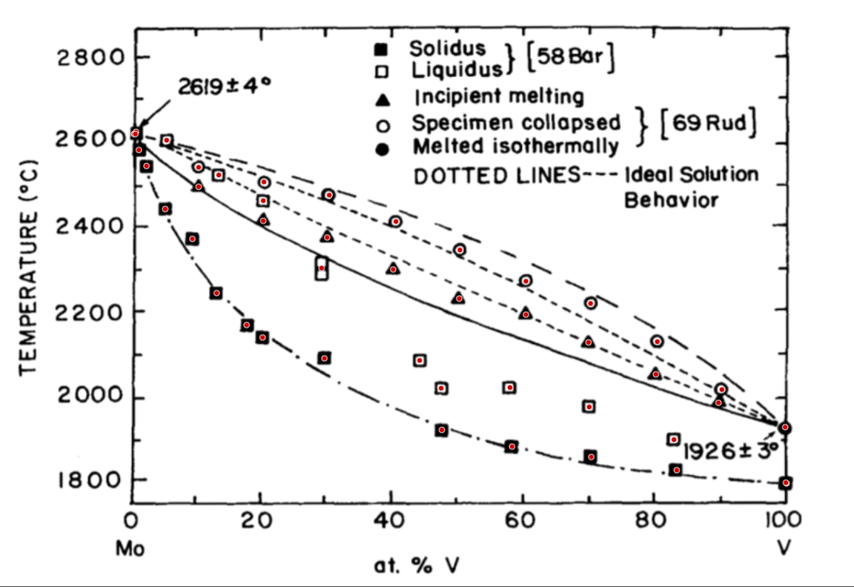

Cp(cal/mol.K) vs. T(K)

V-Te
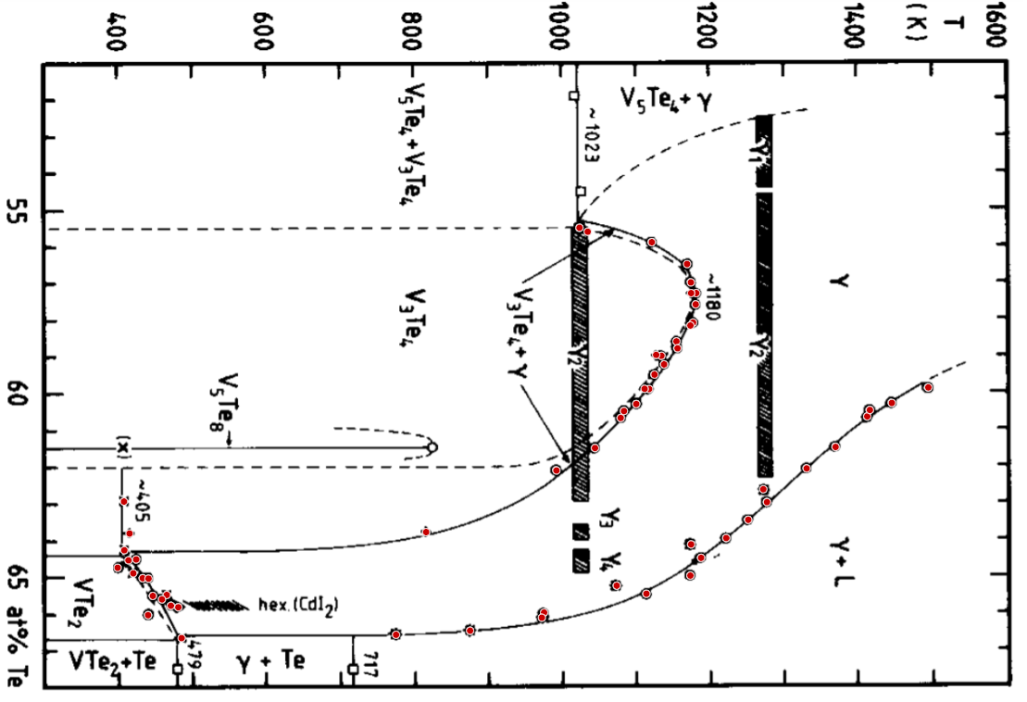
Invarient arrest PETER TERZIEFF et al. |  | liquidus heating PETER TERZIEFF et al. |  | liquidus cooling PETER TERZIEFF et al. |  | Invarient arrest PETER TERZIEFF et al. |  | liquidus heating PETER TERZIEFF et al. |  | liquidus cooling PETER TERZIEFF et al. |  | thermal effects PETER TERZIEFF et al. |  | magnetic effect PETER TERZIEFF et al. |  | thermodynamically predictedIpser 84 |  | litrature data Rost et al. 1964 |  | othani et al. 1981 |  | Bronsema et al. 1968
X | Y | X | Y | X | Y | X | Y | X | Y | X | Y | X | Y | X | Y | X | Y | X | Y | X | Y | X | Y
0.69986431803 | 206.66639089 | 0.69760939 | 1278.2283251 | 0.69723293854 | 1271.0115189 | 0.69986431803 | 206.66639089 | 0.69760939 | 1278.2283251 | 0.69723293854 | 1271.0115189 | 0.55486250676 | 750.48729956 | 0.58963514276 | 853.47379086 | 0.66571450776 | 502.20604874 | 0.62908755503 | 136.06539627 | 0.56489461921 | 895.34699743 | 0.65797702465 | 208.9690461
0.72386806802 | 208.49971838 | 0.72207135376 | 1213.2336518 | 0.72164784587 | 1183.0114783 | 0.72386806802 | 208.49971838 | 0.72207135376 | 1213.2336518 | 0.72164784587 | 1183.0114783 | 0.55888446261 | 847.917128 | 0.55595935775 | 761.56680499 | 0.66467410455 | 601.99493821 | 0.6423878655 | 136.42851062 | 0.64715268575 | 127.35381862
0.7486179891 | 208.46113432 | 0.74693283586 | 1166.7329255 | 0.74687563 | 1138.7656163 | 0.7486179891 | 208.46113432 | 0.74693283586 | 1166.7329255 | 0.74687563 | 1138.7656163 | 0.56988963707 | 900.50959678 | 0.57281788175 | 900.7799903 | 0.66119477051 | 698.80080108 | 0.64513329401 | 141.91533731 | 0.65012880318 | 168.93885596
0.77411216801 | 205.61526754 | 0.77131268153 | 1061.591631 | 0.77235714981 | 1041.7421716 | 0.77411216801 | 205.61526754 | 0.77131268153 | 1061.591631 | 0.77235714981 | 1041.7421716 | 0.57281911772 | 907.69926086 | 0.58164988977 | 899.68536943 | 0.65254067317 | 799.67164463 | 0.64869169947 | 148.39650619 | 0.65582808631 | 186.92990521
0.79886591561 | 207.44742582 | 0.79535298274 | 967.27695541 | 0.79574511968 | 982.16221741 | 0.79886591561 | 207.44742582 | 0.79535298274 | 967.27695541 | 0.79574511968 | 982.16221741 | 0.57588871599 | 906.94533414 | 0.598862124 | 837.83454035 | 0.64134803805 | 900.06748395 | 0.65461476236 | 193.46068564 | 0.65756324319 | 198.9454012
0.82511965842 | 209.27724566 | 0.82277673375 | 935.65810801 | 0.82345859069 | 915.35812685 | 0.82511965842 | 209.27724566 | 0.82277673375 | 935.65810801 | 0.82345859069 | 915.35812685 | 0.580856673 | 903.28362151 | 0.6378245622 | 143.49551806 | 0.62639663205 | 997.49401902 | 0.6664071503 | 213.39397443
0.8498695795 | 209.2386616 | 0.84801282197 | 895.47201675 | 0.87311512228 | 789.87850882 | 0.8498695795 | 209.2386616 | 0.84801282197 | 895.47201675 | 0.87311512228 | 789.87850882 | 0.58595645664 | 880.84822153 | 0.63772437949 | 543.11024667
0.87385993667 | 204.52439092 | 0.89881439343 | 799.31127325 | 0.89722646948 | 730.29742695 | 0.87385993667 | 204.52439092 | 0.89881439343 | 799.31127325 | 0.89722646948 | 730.29742695 | 0.58785813177 | 882.27247422
0.90086941687 | 209.15915505 | 0.87274328419 | 784.91713072 | 0.91947032216 | 641.8496839 | 0.90086941687 | 209.15915505 | 0.87274328419 | 784.91713072 | 0.91947032216 | 641.8496839 | 0.58988831714 | 860.59100097
0.92111169926 | 205.38610161 | 0.92060244458 | 664.85335957 | 0.94784535126 | 544.82172826 | 0.92111169926 | 205.38610161 | 0.92060244458 | 664.85335957 | 0.94784535126 | 544.82172826 | 0.59223024347 | 864.17671293
0.94737500837 | 211.89277729 | 0.94687192897 | 599.40478133 | 0.97096205464 | 529.44872992 | 0.94737500837 | 211.89277729 | 0.94687192897 | 599.40478133 | 0.97096205464 | 529.44872992 | 0.59499804996 | 851.15171683
0.97135579925 | 202.50165077 |  |  |  |  | 0.97135579925 | 202.50165077 |  |  |  |  | 0.59893985964 | 843.89061211
0.69960220152 | 445.18720768 |  |  |  |  | 0.69960220152 | 445.18720768 |  |  |  |  | 0.60302012874 | 826.51989728
0.72434638282 | 442.34251012 |  |  |  |  | 0.72434638282 | 442.34251012 |  |  |  |  | 0.60490798557 | 809.89398908
0.74910395694 | 446.04541073 |  |  |  |  | 0.74910395694 | 446.04541073 |  |  |  |  | 0.60680523884 | 805.54219029
0.77460004911 | 444.13491512 |  |  |  |  | 0.77460004911 | 444.13491512 |  |  |  |  | 0.61496577703 | 770.80076063
0.79860188584 | 445.03287144 |  |  |  |  | 0.79860188584 | 445.03287144 |  |  |  |  | 0.62106628232 | 718.7524567
0.82410180452 | 444.99311817 |  |  |  |  | 0.82410180452 | 444.99311817 |  |  |  |  | 0.64490175296 | 152.44708896
0.84960172321 | 444.95336489 |  |  |  |  | 0.84960172321 | 444.95336489 |  |  |  |  | 0.65002530408 | 161.05796571
0.87284782255 | 443.04637692 |  |  |  |  | 0.87284782255 | 443.04637692 |  |  |  |  | 0.654860329 | 174.72592754
0.89910347862 | 445.81156794 |  |  |  |  | 0.89910347862 | 445.81156794 |  |  |  |  | 0.66011847041 | 168.17314913
0.92159958036 | 443.90574918 |  |  |  |  | 0.92159958036 | 443.90574918 |  |  |  |  | 0.65478460468 | 839.69993476
0.94710332556 | 445.73673824 |  |  |  |  | 0.94710332556 | 445.73673824 |  |  |  |  | 0.64985920805 | 898.95614293
0.97109750926 | 442.8932099 |  |  |  |  | 0.97109750926 | 442.8932099 |  |  |  |  | 0.64504573969 | 913.44643209
 |  |  |  |  |  |  |  |  |  |  |  | 0.63966240444 | 947.43697506
y=celcius |  |  |  |  |  |  |  |  |  |  |  | 0.63471434579 | 977.09091938
from : TRANSITION METAL-CHALCOGEN SYSTEMS IX: THE VANADIUMTELLURIUM SYSTEM -- PHASE DIAGRAM AND MAGNETIC PROPERTIES*¢ PETER TERZIEFF and HERBERT IPSER |  |  |  |  |  |  |  |  |  |  |  | 0.62990916841 | 1002.4113051
 |  |  |  |  |  |  |  |  |  |  |  | 0.62073961759 | 1055.9355422
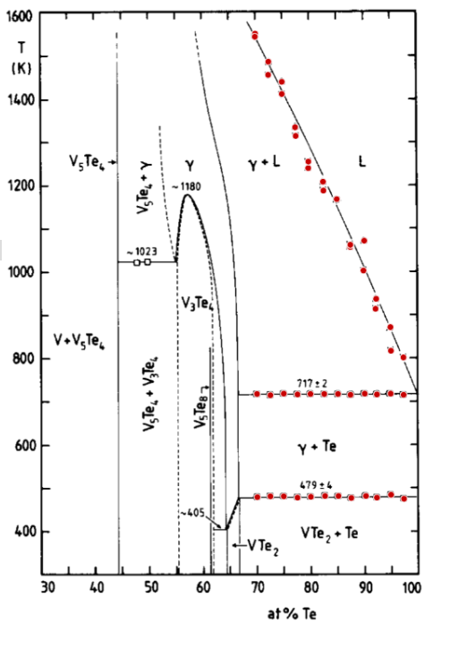
 |  |  |  |  |  |  |  |  |  |  |  | 0.61492155846 | 1094.9846902
 |  |  |  |  |  |  |  |  |  |  |  | 0.60662090265 | 1137.6697107
 |  |  |  |  |  |  |  |  |  |  |  | 0.60486929431 | 1141.297983
 |  |  |  |  |  |  |  |  |  |  |  | 0.60299138666 | 1170.9200071
 |  |  |  |  |  |  |  |  |  |  |  | 0.59878924012 | 1220.0605251
 |  |  |  |  |  |  |  |  |  |  |  | 0.65979595117 | 701.74350509

